1. Title and Table of Contents
Instacart Grocery Basket Analysis

Project Name: InstaCart GroceryBasket Analysis
Date: September 25, 2023
Anaylist: Katelyn Thompson

Contents
2. Population Flow
3. Consistency Checks
4. Wrangling Steps
5. Column Derivations
6. Visulizations
7. Recommendations

2. Population Flow
Population flow

Exclusion flag
Condition: max_order < 5
Obervations to be removed: 1,440,295
Final total count of order_products_all: 30,964,564

Orders_products_combined
Orders_products_merged
Final dataframe
Instacart_all

Total: 32,404,859
Total: 32,435,059
Total: 30,964,564

3. Consistency Checks
 |  |  |  | Title page
Consistency checks

Dataset | Missing values | Missing values treatment | Duplicates
orders | 206, 209 missing values for the days_since_prior_order column | No treatment. | No duplicates found
products | 16 missing values for the product_name column | Removed Rows with null values. | 5 duplicates and were removed
orders_products_prior |  | No treatment.
customers | 11,259 missing values in the "First Name" column. | No treatment. | No duplicates found

4. Wrangling Steps
Wrangling Steps

Data Set | Columns dropped | Columns renamed | Columns' type changed | Other Action Taken | Comment/Reason
orders | "'eval_set" |  |  |  | Unnecessary column
orders |  | "order_dow" changed to "orders_day_of_week" |  |  | Switched it to a descriptive column name
departments |  |  |  | Transposed dataframe from wide to long format
customers |  | "First Name" changed to "first_name" |  |  | Column naming conventions allignment
customers |  | "Surnam" changed to "surname" |  |  | Fixed misspelling and column naming conventions allignment
customers |  | "Gender" changed to "gender" |  |  | Column naming conventions allignment
customers |  | "STATE" changed to "state" |  |  | Column naming conventions allignment
customers |  | "Age" changed to "age" |  |  | Column naming conventions allignment
customers |  | "n_dependants" changed to "num_dependents" |  |  | Fixed misspelling and column naming conventions allignment

5. Column Derivations
Column derivations and aggregations
Column Derivations

Dataset | New column | Column/s it was derived from | Conditions
orders_products_merged | price_range_loc | prices | Low range product: prices <=5 Mid range product: prices >5 & <= 15 High range product: prices > 15
orders_products_merged | busiest_day | orders_day_of_the_week | Busiset day: order_day_of_week = 0 Least busy: order_day_of_week = 4 Regularly busy: all else
orders_products_merged | busiest_day | orders_day_of_the_week | Busiest Days: order_day_of_week = 0 or 1 Slowest days: order_day_of_week = 4 or 3 Regularly busy: all else
orders_products_merged | busiest_period_of_day | order_hour_of_day | Most orders: value in 10, 11, 14, 15, 13, 12, 16, 9 Fewest orders: value in 23, 6, 0, 1, 5, 2, 4, 3 Average orders: all else
orders_products_merged | max_order | user_id, order_number | Max number of orders for each user_id
orders_products_merged | loyalty_flag | max_order | Loyal customer: max_order > 40 Regular Customer: max_order <= 40 & >10 New Customer: max_order <= 10
orders_products_merged | avg_price | user_id, prices | Mean prices for each user_id
orders_products_merged | spending_flag | avg_price | Low spender: avg price < 10 High spender: avg price >= 10
orders_products_merged | median_days_since_prior_order | user_id, days_since_prior_order | Median number of orders
orders_products_merged | order_frequency_flag | median_days_since_prior_order | Non-frequent customer: median_days_since_prior_order >20 Regular customer: median_days_since_prior_order <= 20 & >10 Frequent customer: median_days_since_prior_order <=10
final_subset_sample | department | department_id | departments assigned according to data dictionary derived from df_depts dataset
final_subset_sample | age_group | age | Child: age <= 16 & >= 0 = Young Adults: age <= 30 & >= 17 Middle Aged Adults: age <= 45 & >= 31 Old Adults: age > 45
final_subset_sample | income_group | income | Low Income: income < 43350 Middle Income: iincome <= 130000 & >= 43350 Upper Income: income > 130000
final_subset_sample | dependents_group | number_of_dependents | Parent: number of dependents > 0 No Children: number of dependents == 0
final_subset_sample | customer_profile | marital_status, number_of_dependents, gender | Single parent: marital status != married & number of dependents > 0 Single female without chidlren: marital status != married & gender == Female & number of dependents == 0 Single male without chidlren: marital status != married & gender == Male & number of dependents == 0 Married young parent: marital status == married & number of dependents >0 Married without children: marital status == married & number of dependents == 0
final_subset_sample | customer_income_profile | marital_status, number_of_dependents, gender, income_group | Low income single parent: marital status != married & number of dependents > 0 & income group = Low Income Middle income single parent: marital status != married & number of dependents > 0 & income group = Middle income Upper income single parent: marital status != married & number of dependents > 0 & income group = Upper Income Low income single female without chidlren: marital status != married & gender == Female & number of dependents == 0 & income group = Low Income Middle income single female without chidlren: marital status != married & gender == Female & number of dependents == 0 & income group = Middle Income Upper income single female without chidlren: marital status != married & gender == Female & number of dependents == 0 & income group = Upper Income Low income single male without chidlren: marital status != married & gender == Male & number of dependents == 0 & income group = Low Income Middle income single male without chidlren: marital status != married & gender == Male & number of dependents == 0 & income group = Middle Income Upper income single male without chidlren: marital status != married & gender == Male & number of dependents == 0 & income group = Upper Income Low income married young parent: marital status == married & number of dependents >0 & income group = Low Income Middle income married young parent: marital status == married & number of dependents >0 & income group = Middle Income Upper income married young parent: marital status == married & number of dependents >0 & income group = Upper Income Low income married without children: marital status == married & number of dependents == 0 & income group = Low Income Middle income married without children: marital status == married & number of dependents == 0 & income group = Middle Income Upper income married without children: marital status == married & number of dependents == 0 & income group = Upper Income
final_subset_sample | time_period |  | Before 8am Between 8am and 5pm After 5pm
final_subset_sample | day | order_day_of_week | Saturday: order day of week = 0 Sunday: order day of week = 1 Monday: order day of week = 2 Tuesday: order day of week = 3 Wednesday: order day of week = 4 Thursday: order day of week = 5 Friday: order day of week = 6

6. Visulizations
Visualisations

1. What are the busiest days of the week and hours of the day?
Busiest Days are Saturday and Sunday. The busiest hours are 1000-1600.

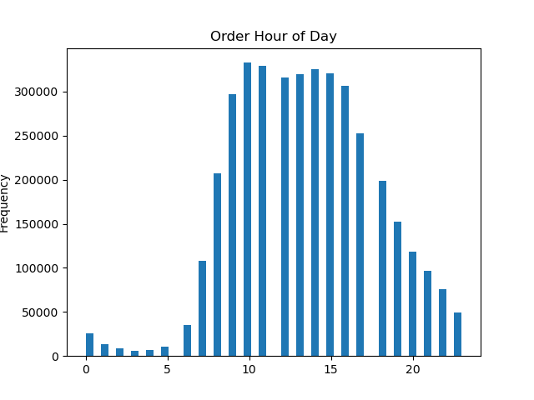
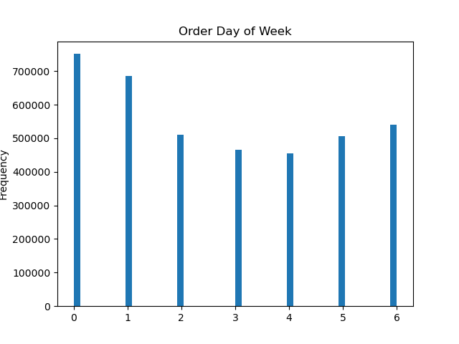

2. Are there certain times of the day when people spend more money?
People spend more money between 3 AM and 7 AM. There is not a major difference in comparison to these times and others when it comes to spending. Only 1% more is being spent during these times.

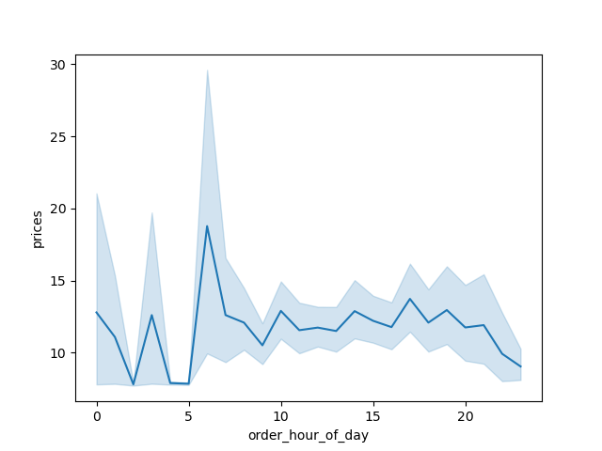

3. Is there a way to group products by price? Yes, products can be placed into groups that are based on price ranges.
Group ranges: "low price" is less than $5; "mid price" is $5-$18; "high price" is $19-$20

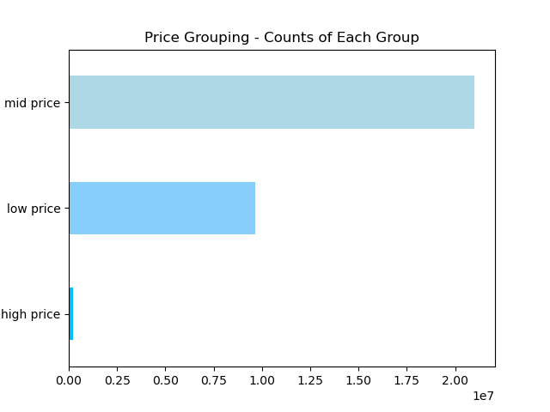

4. Which products are more popular? Which departments have the most orders?
The "produce" department has the highest frequency of orders at 75% followed up by "dairy eggs".

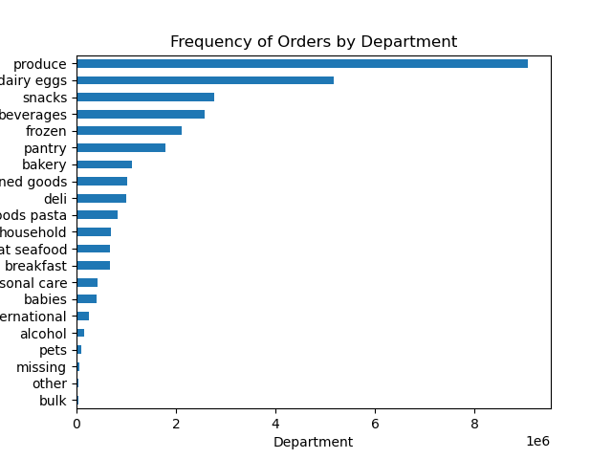

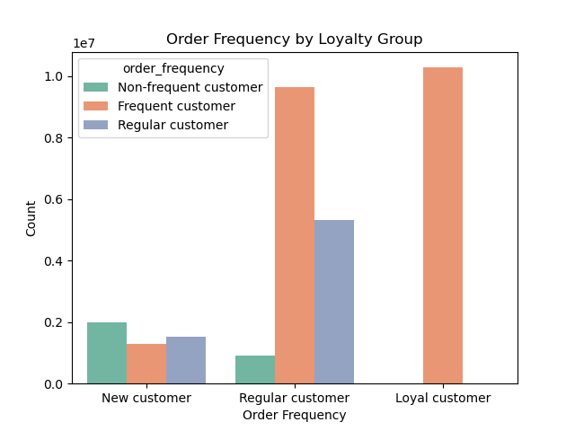
5. What is the percentage of loyalty customers versus new and regular customers?
Loyalty Group: Regular Customers make up 51% of customers; Loyal Customers make up 33%;New Customers make up $16%

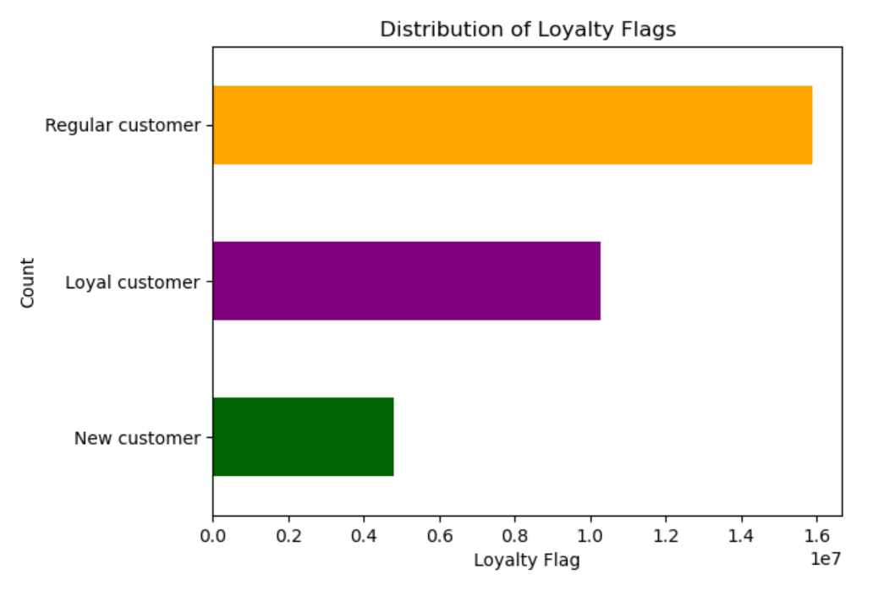

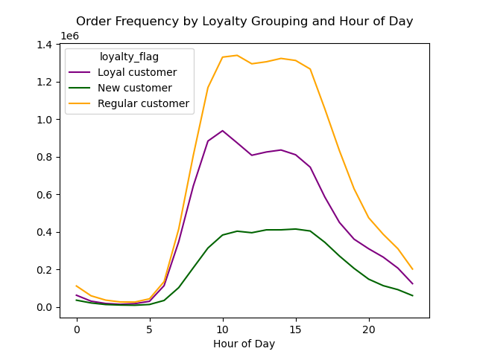
6. What are the ordering habits based on customer's loyalty status?
"Loyal" and "Regular" customers spend more in the beginning of the week. "Regular" customers order more during the day between hours 5 and over 20.
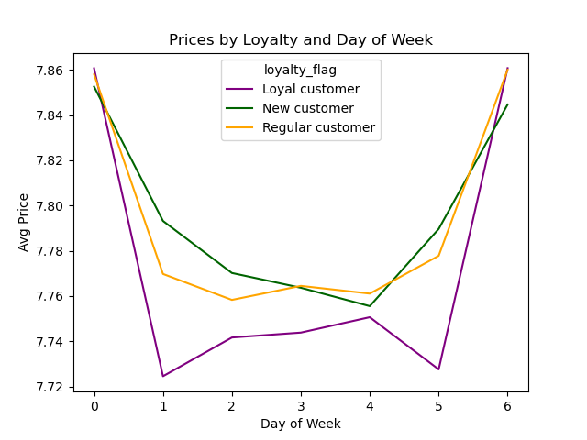

7. What are the trends of order habits and ages and family status?
The youngest and oldest age groups make up the most orders, but married couples make up the highest orders based on family status.

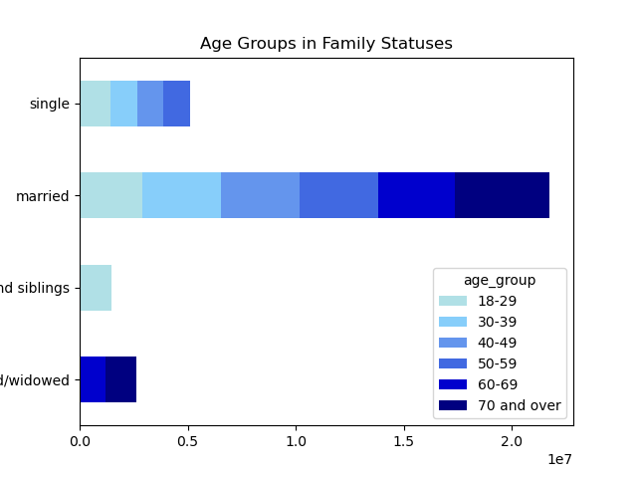
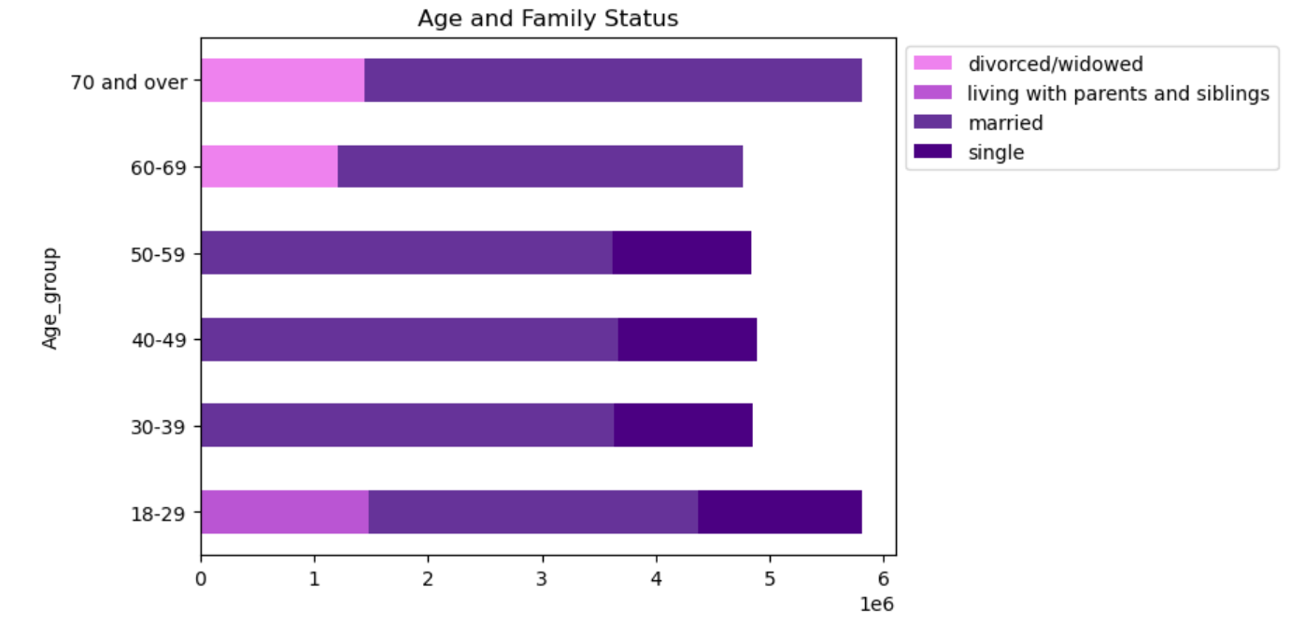

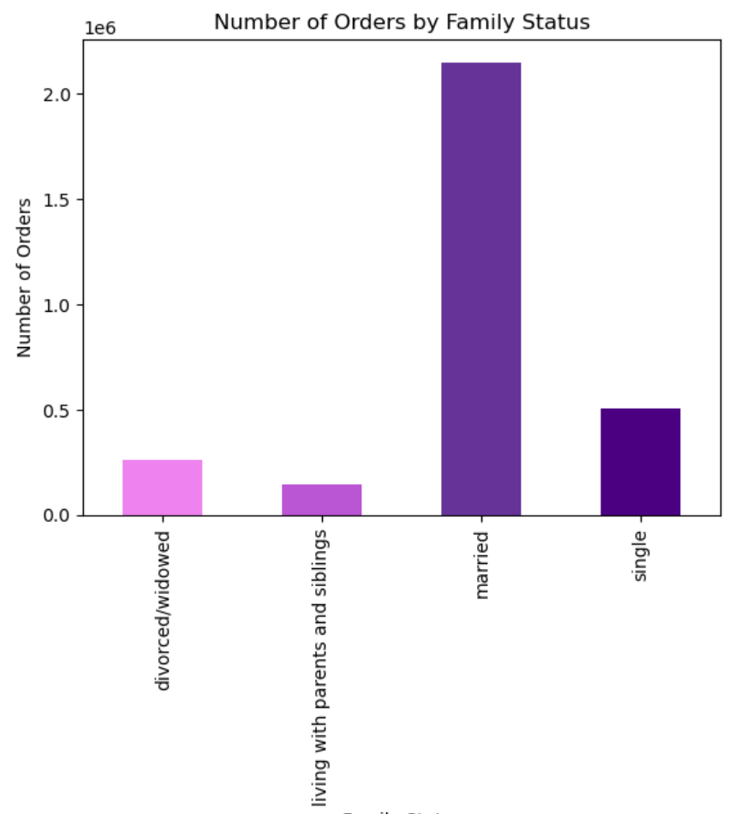
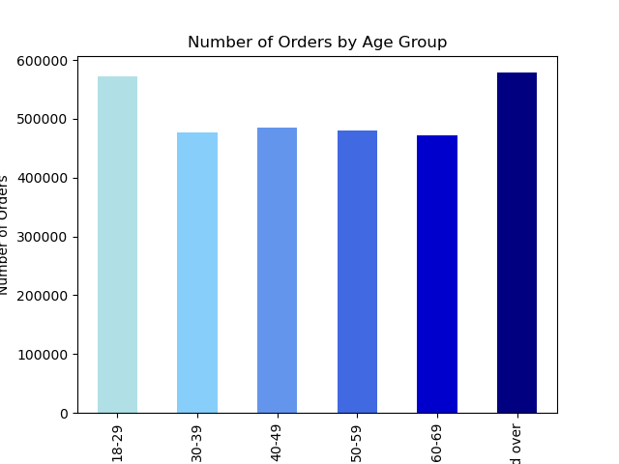

8 What are the different classifications based on demographic information?
Age/Income/Different Types of Goods/Family Status
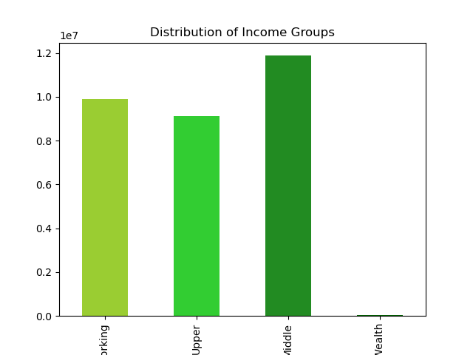
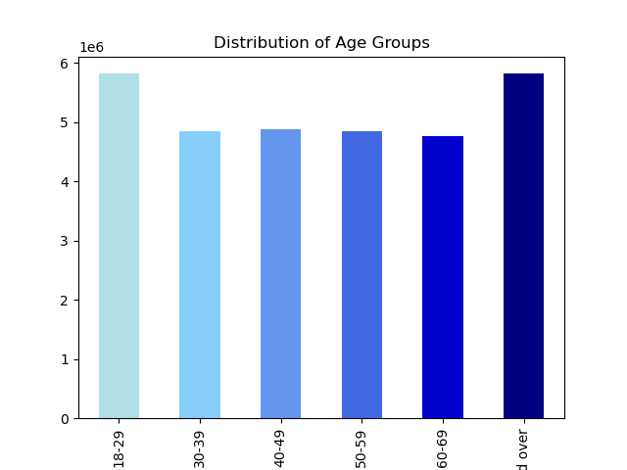

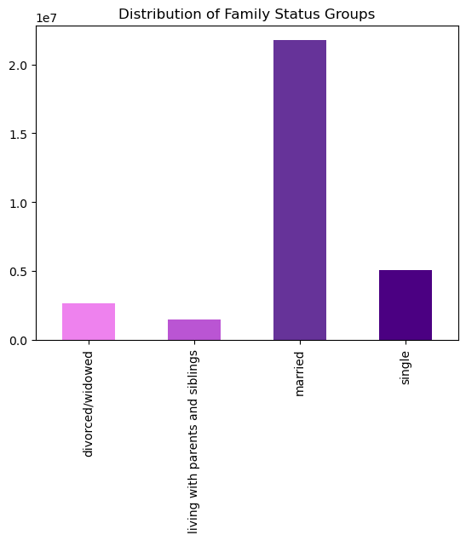

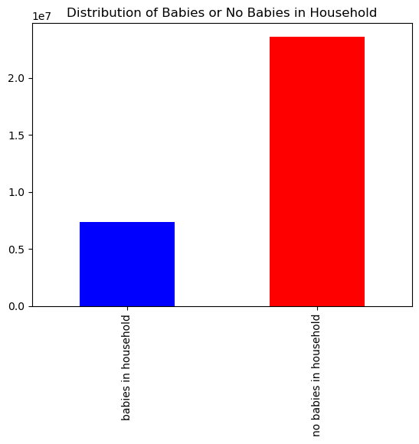

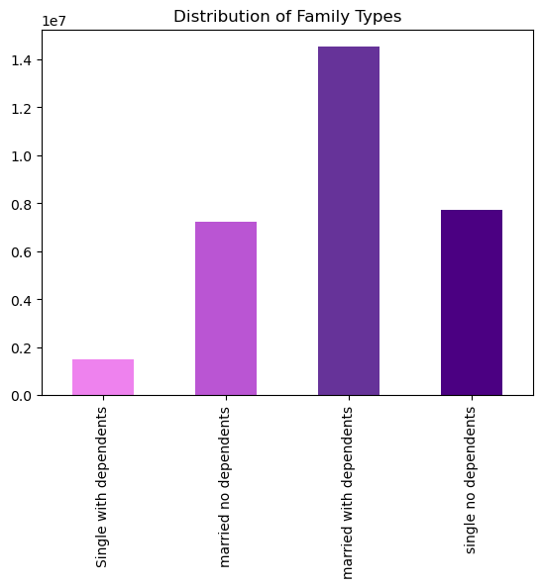

9. What are the ordering habits of the different customer profiles?
Married couples make up the highes distribution in customer family status. The average cost per order is consistent among all family groups. "High Wealth" spends less on each order on average then "Middle" income customers. Older individuals make up more of the customer base then younger individuals. The average cost per order stays consistent among the age groups.
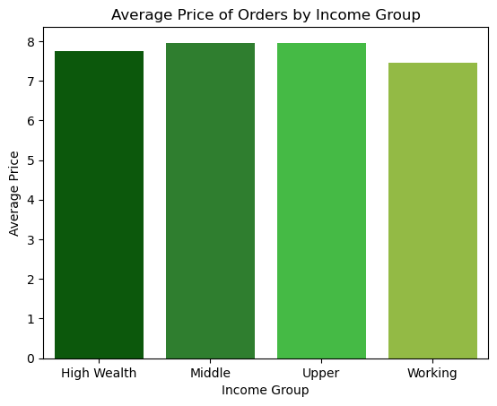
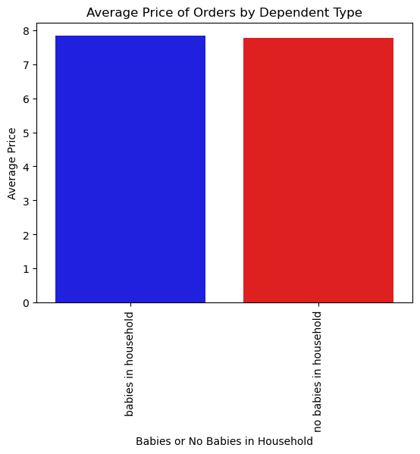

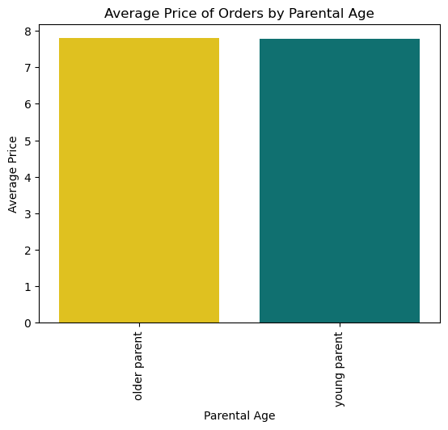

10. What is the differences in ordering habits based on region?
The "West" have a high variation in amount spent over the course of a day. The "South" region has a higher rate of variation throughout the week. "Northeast" has the lowest order total per hour and day of the week.

7. Recomendations
 |  |  | Title page

Recommendations

Question | Answer | Recommendation
1. What are the busiest days of the week and hours of the day? | Busiest Days are Saturday and Sunday. The busiest hours are 1000-1600. | I recommend increasing ads before the slowest days and during the slowest hours. Ads on social media during slow hours could help to increase customer traffic.
2. Are there certain times of the day when people spend more money? | People spend more money between 3 AM and 7 AM. There is not a major difference in comparison to these times and others when it comes to spending. Only 1% more is being spent during these times. | I recommend increasing ads for more expensive products during the early moring hours. Social media could be a good area to advertise to those who are doing late night shopping between 3 am and 4 am. Radio adverstising or morning podcast advertising could be useful to catch individuals during their early morning rotunines.
3. Is there a way to group products by price? Yes, products can be placed into groups that are based on price ranges. | Group ranges: "low price" is less than $5; "mid price" is $5-$18; "high price" is $19-$20 | I recommend a further breakdown of products based on price to differenciated those in the mid range more clearly to see if there are further trends that can be advertised for.
4. Which products are more popular? Which departments have the most orders? | The "produce" department has the highest frequency of orders at 75% followed up by "dairy eggs". | Because of the popularity of produce and dair eggs I would recommend more advertisements for those items during high traffic times and days to increase customer traffic.
5. What is the percentage of loyalty customers versus new and regular customers? | Loyalty Group: Regular Customers make up 51% of customers; Loyal Customers make up 33%;New Customers make up $16% | I would recommend more incentives for new customers and for regular custgomers to switch to loyal customers. Potentially a point system or more advertising to regular customers. New customers could be advertised to through social media and Youtube/TikTok with promocodes to get disconts or free shipping. The promocodes could be used to track traffic from each of the platforms advertised and what time the customers order.
6. What are the ordering habits based on customer's loyalty status? | "Loyal" and "Regular" customers spend more in the beginning of the week. "Regular" customers order more during the day between hours 5 and over 20. | I recommend sending notifications through the app and email to regular customers during their high traffic times. Emails and notifications would be beneficial towards the end of the week to increase the customers purchase rates at the end of the week.
7. What are the trends of order habits and ages and family status? | The youngest and oldest age groups make up the most orders, but married couples make up the highest orders based on family status. | I recommend targeted ads and notifications from the app for single individuals to increase their order rates.
8 What are the different classifications based on demographic information? | Age/Income/Different Types of Goods/Family Status | I would recommend discounts and promocodes for younger singles to increase their order and spending. Single income households do not make as much as married couples so this would encourage them to use InstaCart.
9. What are the ordering habits of the different customer profiles? | Married couples make up the highes distribution in customer family status. The average cost per order is consistent among all family groups. "High Wealth" spends less on each order on average then "Middle" income customers. Older individuals make up more of the customer base then younger individuals. The average cost per order stays consistent among the age groups. | I would increase advertising to high wealth individuals. Also targeted ads for younger individuals could be useful to increase the customer base for those groups. Young adults are typically active on social media so targeted ads on social media with discounts nad perks for using Instacart would be beneficial.
10. What is the differences in ordering habits based on region? | The "West" have a high variation in amount spent over the course of a day. The "South" region has a higher rate of variation throughout the week. "Northeast" has the lowest order total per hour and day of the week. | I would increase advertising in the Northeast to encourage that customer base to order more. I would also increase tv ads, social media ads, notifcations, emails and radio ads during the hours and days of the week that have the lowest amount of order in the areas that produce the lowest total number of hours and amount spent per order.

